Caracterizacion
 |  |  | Process name |  | AI Powered Application Modernization Advisory |  | Rol responsable del proceso |  | Domian Lead
 |  |  |  |  |  |  | Código del proceso |  | xx
 |  |  |  |  |  |  | Versión |  | 2
Objective |  |  |  |  |  | Alcance
The service performs an assessment of the client’s legacy applications to evaluate their current state and define a modernization roadmap powered by AI agents, aligning technical decisions with business objectives and cloud capabilities. It also incorporates an infrastructure assessment that can be executed together with the Cloud Services team, enabling the use of hyperscaler funding programs and strategic guidelines to optimize investment and accelerate adoption. |  |  |  |  |  | Modernization of legacy applications Enterprise digital transformation Cloud migration and adoption Cost optimization and operational efficiency Innovation and enablement with AI Access to hyperscaler funding programs Reduction of technical debt Rapid scaling of digital products Regulated industries requiring secure modernization and compliance

Scope |  |  | PoV: Rapid validation to demonstrate value before scaling. ROI: Expected return on investment. TCO: Total cost of a solution throughout its lifecycle. Hyperscaler: Leading large-scale cloud service provider (AWS, Azure, GCP). Technical Debt: System limitations caused by past decisions. Refactoring: Continuous code improvement process that optimizes structure, readability, and maintainability, reduces technical debt, and enables future evolutions without modifying existing functionality. Replatforming: Migration with minimal adjustments for cloud. Rehosting: Lift-and-shift migration to the cloud without changes. Re-architecture: Redesign to improve scalability and performance. Containerization: Use of containers to enable application portability. Microservices: Applications divided into independent services. API-first: Design approach that prioritizes API-based integrations. DevSecOps: Integration of development, security, and operations. CI/CD: Continuous integration and continuous deployment automation. Observability: Monitoring of the application's state and performance. Cloud Readiness: Level of preparedness to migrate to the cloud. Landing Zone: Secure foundation for deploying cloud solutions. AI-First: Strategy that prioritizes artificial intelligence as the core of solution and process design. AI-Driven: Approach in which AI guides decision-making and process automation. Resilience: Ability of a system to maintain operation and recover from failures or interruptions. Software Health: Degree of quality, stability, and maintainability of an application over time. Cloud Readiness: Degree to which an application or infrastructure is prepared to migrate, modernize, or operate efficiently in the cloud.

Policies |  |  | The deal review must be approved by the Domain Lead (Javier Vargas). In the proposal/SOW, applications must be sized according to their complexity and using the official estimation tool format. The infrastructure assessment must be performed by the Cloud Services team if the portfolio is large and there are hyperscaler funding programs available; otherwise, if the project/applications are small, the Application Services team should be able to perform it.

Indicators |  |  | Proceso nuevo, se definiera el indicador en un plazo de 6 meses (Javier & Natalia)

Tools |  |  | GitHub Copilot Prompt Management Neo4J AWS funding program tools Azure funding program tools GCP funding program tools

Roles |  |  | Sr Expert Technology Implementation & Consulting Project Manager Senior Solutions Architect

Inputs |  |  | Supplier Process |  |  | Outputs |  |  | Client Process
Proposal / SOW Modernization Drivers CAF Cloud Adoption Framework WAF Well Architected Framework Operational Costos Application Inventory Database Inventory Servers Inventory Strategic Alignment Workshop |  |  | Commercial |  |  | AIPAM-KickOff_2025.pptx AM-AD-PR-CASTHighlightReport.Template.docx AIPAM-AD-RationalizationMatrix.Template.docx AMA Pre-requirements AIPAM-AD-DatabaseMigrationReport.Template.docx AIPAM-AD-ApplicationModernizationApproach.Template.docx |  |  | Application Modernization Delivery (AMD) Fabrica de Software Managed Service Solution Development Advisory Solution Development Delivery
Process Flow
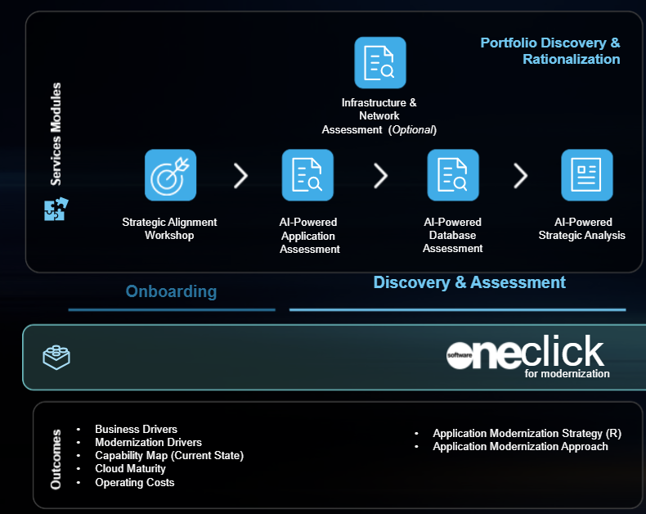

Characterization
# | Activity |  |  | Description |  | Role Responsible for the Activity | Input | Output | Associated Guides
1 | Service Onboarding |  |  | In this phase, the team will conduct a workshop to guide the client in assessing their IT environment and modernizing applications. The session will include service onboarding (Kick-off) and the gathering of modernization drivers, Well-Architected Framework (WAF) insights, and business case inputs, enabling alignment of objectives and planning of the next project steps. |  | Sr Expert Technology Implementation & Consulting | Customer business information and Client modernization drivers and constraints identified in meetings with the client | AIPAM-AD-ModernizationAdvisory.StrategicAlignmentWorkshop.pptx
1.1 | Perform the Project Kick-off |  |  | Formal kick-off session to present project objectives, team, methodology, deliverables, and project schedule. |  | Project Manager | Application and database inventory included in the proposal or confirmed by email from the client | AIPAM-KickOff_2025.pptx
 |  |  |  |  |  |  | AIPAM-AD-AMA Tools Requirements.pptx
1.2 | Perform the Strategic Alignment Workshop |  |  | Workshop with key client stakeholders to define business drivers, modernization drivers, AS-IS, CAF & WAF, and operational costs as inputs for the business case. |  | Sr Expert Technology Implementation & Consulting | AIPAM-AD-ApplicationModernizationDrivers.Template.docx | AIPAM-AD-Business & Technology Modernization Assessment Workshop.pptx
 |  |  |  |  |  |  | SoftwareONE Well Architected Application Review
 |  |  |  |  |  |  | AM-AD-Prerequirements.Business_Case.Que_EN.xlsm
2 | Discovery & Assessment |  |  | Comprehensive AI-assisted evaluation of applications, infrastructure, and databases to assess cloud readiness, rationalize the portfolio, and determine the optimal modernization strategy |  | Sr Expert Technology Implementation & Consulting | AIPAM-AD-Business & Technology Modernization Assessment Workshop.pptx | AIPAM-AD-ApplicationModernizationApproach.Template.docx
2.1 | AI-Powered Application Discovery​ |  |  | In this service module, the team will perform application discovery to assess cloud readiness and application health, rationalize the application portfolio, gather business information and modernization drivers, and, if included in this proposal, the SoftwareOne Cloud Service team will assess the infrastructure. |  | Sr Expert Technology Implementation & Consulting | List of applications and databases Existing technical documentation of the client (architectural diagrams, configuration and deployment documentation, user manuals) | AM-AD-PR-CASTHighlightReport.Template.docx
2.1.2 | Source Code Application Analysis |  |  | Application source code analysis with a AI agent to detect bugs, identify security vulnerabilities, and evaluate overall software health, application resilience, and cloud readiness |  | Sr Expert Technology Implementation & Consulting | Application source code provided by the client. | AM-AD-PR-CASTHighlightReport.Template.docx
 |  |  |  |  |  |  |  | VSCode Agent
2.1.3 | Discover the Application usability and accessibility |  |  | Evaluation of usability and compliance with application standards. |  | Sr Expert Technology Implementation & Consulting | List of applications included in the proposal or confirmed by email from the client | Report of the agent (AI)
2.1.4 | Mapping the Application Dependencies |  |  | Identification of connections between applications and services to measure technical complexity. |  | Sr Expert Technology Implementation & Consulting | List of applications and databases included in the proposal or confirmed by email from the client | Report of the agent (AI)
2.1.5 | Create theApplication Portfolio Rationalization Matrix |  |  | Classification of applications into four quadrants based on technical health and business value.Analysis correlating software health and business value to map applications into four strategic quadrants (Transform, Optimize, Tolerate, Shut Off), directly defining their optimal modernization 'R' strategy (such as Refactor, Rebuild, Replatform, or Retire)." |  | Sr Expert Technology Implementation & Consulting | Application discovery and assessment Report of the tool | AIPAM-AD-RationalizationMatrix.Template.docx
2.2 | AI-Powered Infraestructure Discovery​ (Optional) |  |  | In this service module, if the opportunity comes from the Cloud Service line with migration workloads, this module must be executed by the Cloud Service team. If the opportunity comes from the Application Service line, the team must evaluate whether Cloud Service capacity is required; otherwise, the Application Service team will perform the following activities to obtain a infrastructure assessment. |  | Senior Solutions Architect | List of applications, servers (virtual machines) and databases included in the proposal or confirmed by email from the client | Report of the infraestructure assessment of the cloud services team
2.2.1 | Perform the infraestructure assessment |  |  | Analysis of servers and networks to plan cloud migration. |  | Senior Solutions Architect | List of applications, servers and databases | Preliminary Infraestructure Discovery Report (by cloud services team)
2.3 | AI-Powered Database Discovery​ |  |  | In this service module, the team will perform database discovery and dependency graph analysis to identify relationships, assess performance, and determine the viability of migrating the database to the cloud. |  | Sr Expert Technology Implementation & Consulting | AIPAM-AD-DatabaseSizingChecklist.Template_old.xlsx | AIPAM-AD-DatabaseMigrationReport.Template.docx
2.3.1 | Database migration tool setup (Client) |  |  | Guided setup and configuration of database assessment tools within the client's environment to automatically evaluate performance, dependencies, and overall cloud migration feasibility. |  | Sr Expert Technology Implementation & Consulting | List of databases included in the proposal or confirmed by email from the client | AIPAM-AD-DatabaseMigrationReport.Template.docx
2.3.2 | Database Graph Analysis Tool Analysis |  |  | Execution of AI-assisted graph analysis to uncover deep database relationships, assess structural coupling, and evaluate overall cloud migration readiness |  | Sr Expert Technology Implementation & Consulting | List of servers and databases included in the proposal or confirmed by email from the client | Database assessment tool result | Scripts Base de datos Relacional
2.4 | AI-Powered Strategic Analysis |  |  | In this service module, the team will evaluate the three discovery phases: Application, Infrastructure, and Database, to determine the most suitable modernization approach for the application portfolio. (Rehost, Replatform, Refactor, Rebuild). |  | Sr Expert Technology Implementation & Consulting | Selected modernization path per application for the client. Reports of the agent (AI) for applications and databases | AIPAM-AD-ApplicationModernizationApproach.Template.docx
2.4.1 | Strategic analysis of applications and databases |  |  | Technical and business evaluation to define the modernization strategy and database migration. |  | Sr Expert Technology Implementation & Consulting | AIPAM-AD-DatabaseMigrationReport.Template.docx | AIPAM-AD-ApplicationModernizationApproach.Template.docx
2.4.3 | Define the refactoring profile for projects that require refactoring |  |  | Definition of code refactoring parameters to reduce technical debt and optimize performance. |  | Sr Expert Technology Implementation & Consulting | AIPAM-AD-RefactoringProfiles.Template.xlsx | AIPAM-AD-RefactoringProfiles.Template.xlsx
Assets, Resources, and Records Control
Type |  | Code | Assets and/or Resources |  |  |  | Asset or Resource Location
Activo |  |  | Tooling |  |  |  | AIPAM-AD-ModernizationAdvisory.Tooling
Activo |  |  | WBS |  |  |  | AIPAM-AD-ModernizationAdvisory.WBS
Activo |  |  | Customer Deck |  |  |  | AIPAM-AD-ModernizationAdvisory.CustomerDeck
Activo |  |  | R.A.C.I. |  |  |  | AIPAM-AD-ModernizationAdvisory.RACI.xlsx
Activo |  |  | SOW |  |  |  | AIPAM-AD-ModernizationAdvisory.SOW_ES.docx
Activo |  |  | Proposal |  |  |  | AIPAM-AD-ModernizationAdvisory.Proposal_ES.docx
Activo |  |  | Estimation Tool |  |  |  | AIPAM-AD-ModernizationAdvisory.EstimationTool.EN.v1.2.xlsx

GAP.F-01 / v 8.0 / Octubre 17, 2025
Documento Privado

